Sheet1
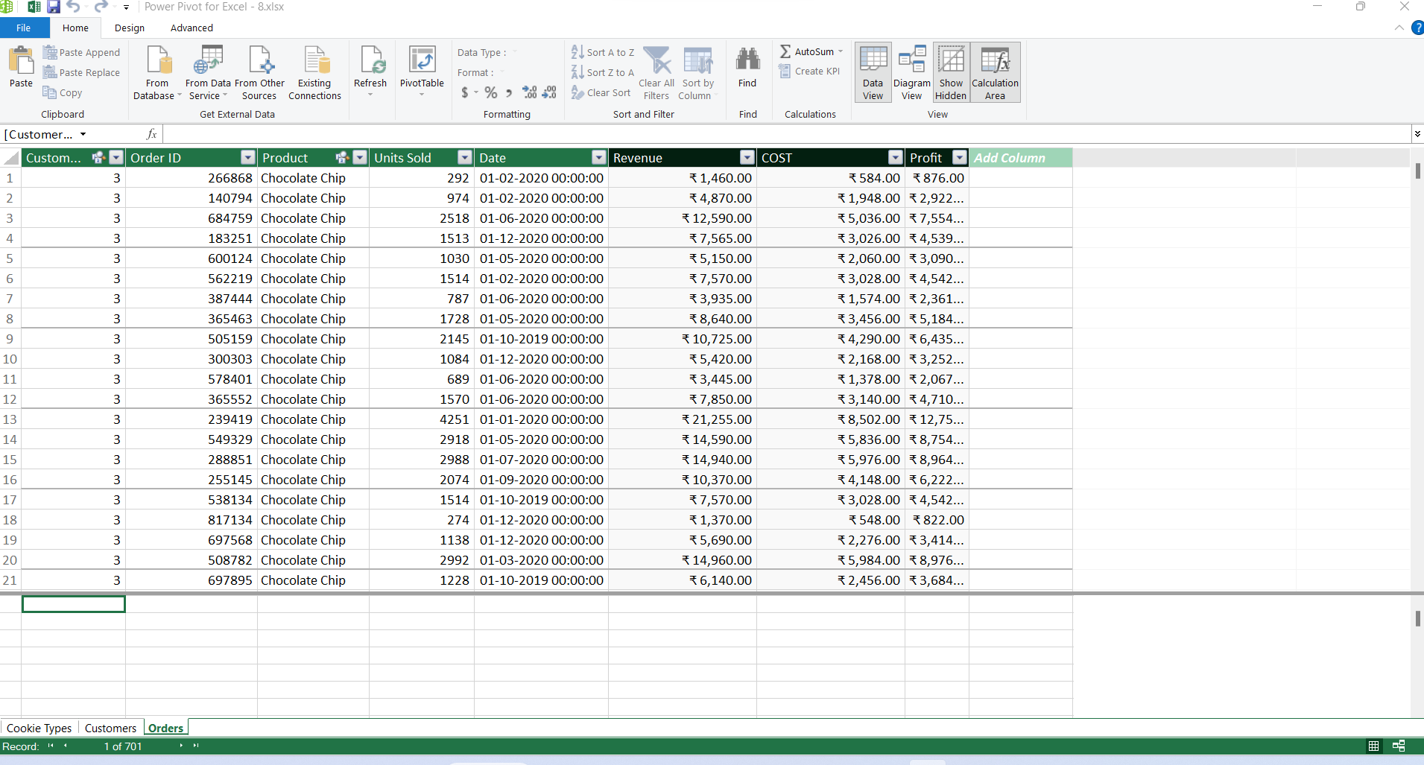
1
Imported Go to Power pivot then click on Manage

2 Relationship Model

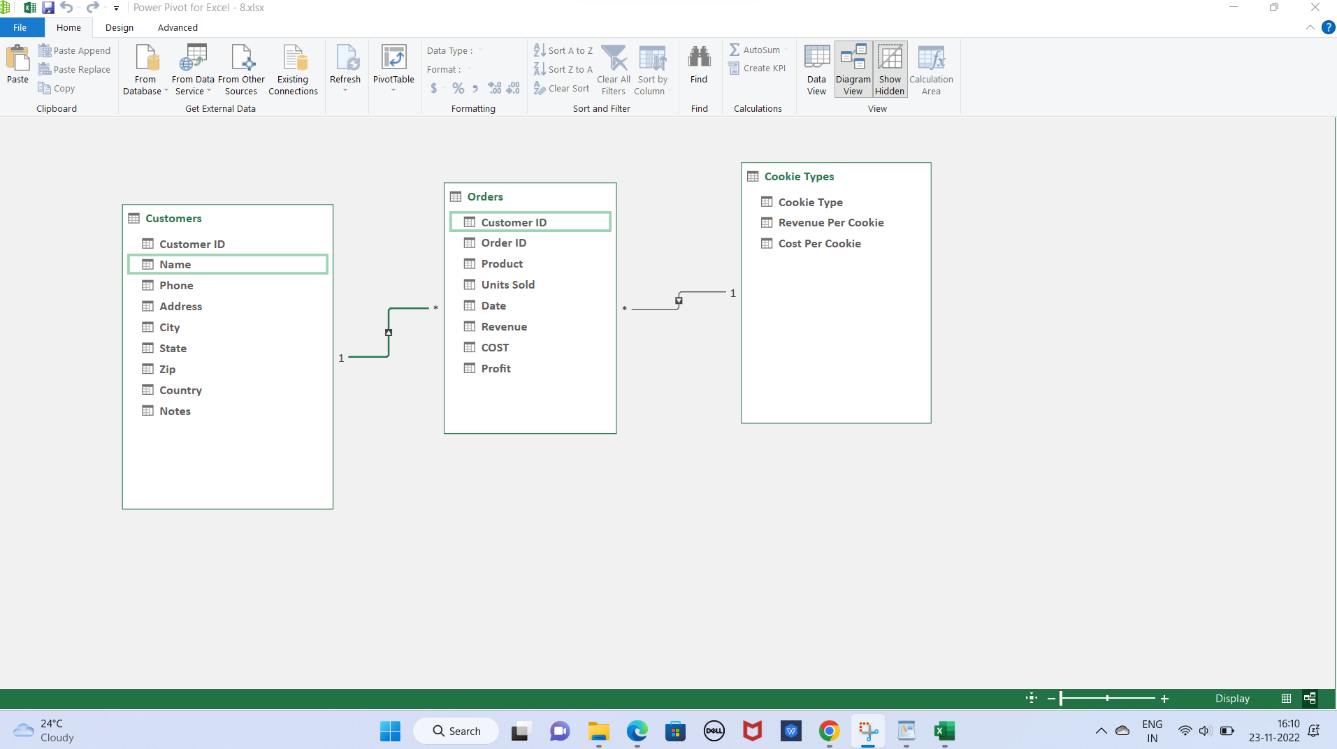

3 & 4 & 5

